8641-588
Measuring Instrument Verification Record
Company name: Mano Engineering LLC |  |  |  |  | Inspector: KK
Part No. | Type | A | B | C | Remark
1 | 001 | 0.2155 | 1.623 | 0.787
2 | 001 | 0.215 | 1.624 | 0.787
3 | 001 | 0.2165 | 1.624 | 0.7875
4 | 001 | 0.2145 | 1.621 | 0.7865
5 | 002 | 0.263 | 1.6222 | 0.82
6 | 002 | 0.264 | 1.625 | 0.8185
7 | 002 | 0.2635 | 1.626 | 0.82
8 | 002 | 0.261 | 1.6265 | 0.818

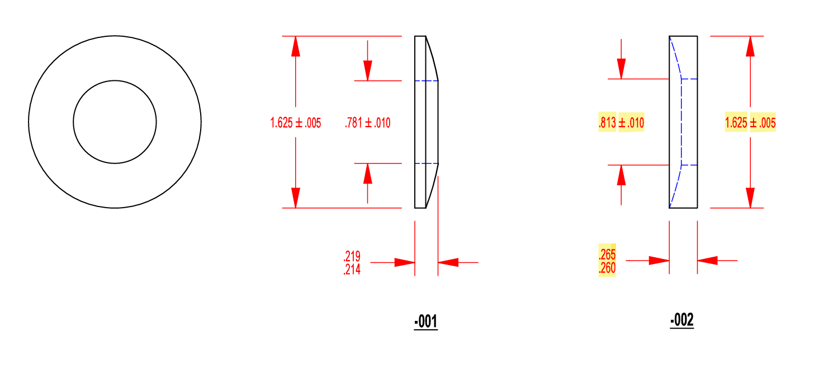

B

C
B
C

A
A

